Postman
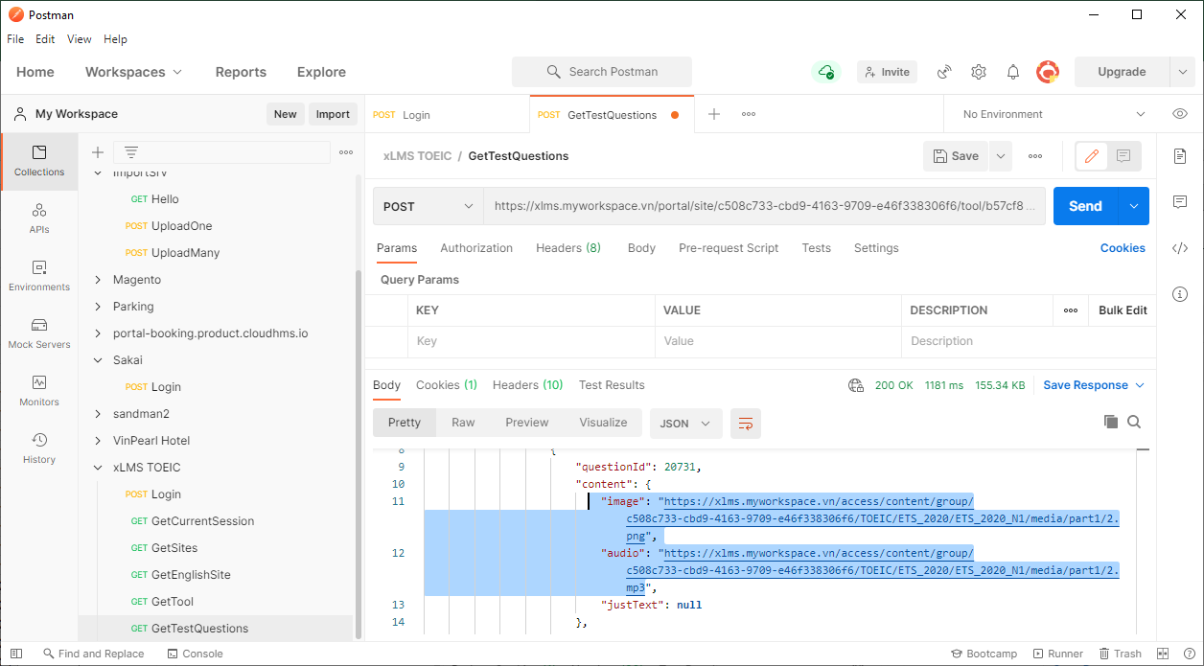
I. Use Postman to check API

1) | Login
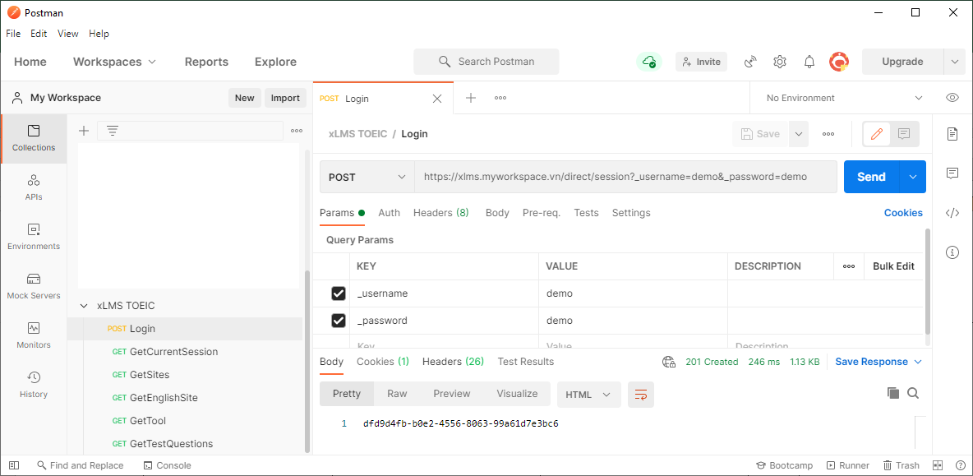

2) | Check header of Postman
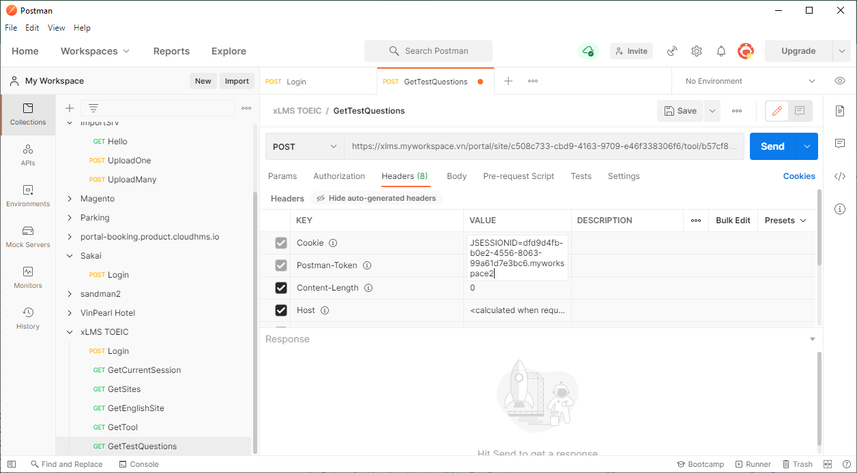

 | Send request: | https://xlms.myworkspace.vn/portal/site/c508c733-cbd9-4163-9709-e46f338306f6/tool/b57cf8d5-55b2-4fd3-84ac-9b70f95ff8ea/getDataTest/222.json

